Sheet1
Can we prove with 99% certainty that graduates with previous work experience earn more on average than those without?
Hypothesis Tests for Independent Samples

 |  | Dynamic Excel Formulas |  |  | Legacy Excel Formulas |  |  |  |  |  |  |  | Legacy Excel Formulas
Work Experience | Annual Salary | SAMPLE DATA |  |  | POINT ESTIMATE |  | HYPOTHESES |  |  |  | SIGNIFICANCE LEVEL |  | HYPOTHESIS TEST |  | CONCLUSION
No | $111,000 |  | Yes | No | x̄1-x̄2: | $7,744 | Ho: | μ1-μ2 | ≤ | 0 | Alpha: | 0.01 | Standard Error: | $17,110 | since p >α, we don't have sufficient evidence to prove that graduates with previous work experience earn more salary, so no need to filter our applicants
Yes | $107,000 | Sample Size (n): | 17 | 17 |  |  | Ha: | μ1-μ2 | > | 0 |  |  | Test Statistic (t): | 0.45
No | $109,000 | n-1: | 16 | 16 |  |  |  |  |  |  |  |  | Degrees of Freedom: | 27.25
No | $148,000 | Mean (x̄): | $124,647 | $116,903 |  |  |  |  |  |  |  |  | P-Value: | 0.327
No | $255,500 | Variance (s2): | 3,526,773,897 | 1,450,125,992
No | $103,500 | s2/n: | 207,457,288 | 85,301,529
No | $114,500
No | $124,000
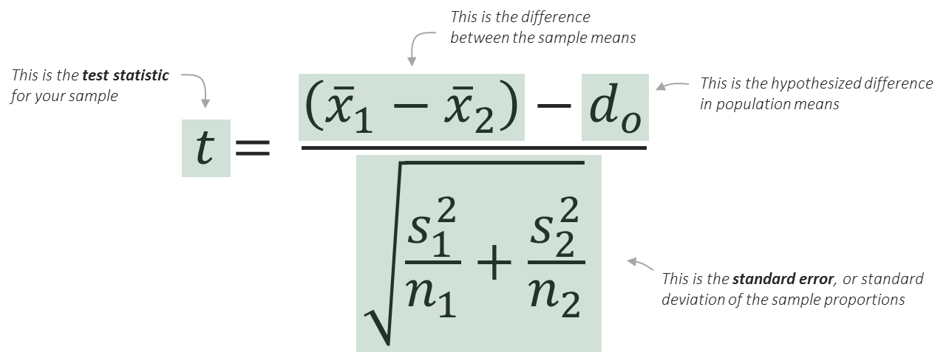
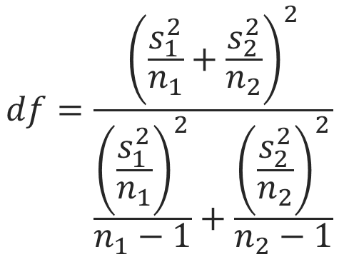
No | $132,500
No | $99,000
No | $124,000
No | $82,000
No | $185,000
No | $89,500
No | $91,500
No | $113,500
Yes | $99,000
No | $75,500
Yes | $86,000
No | $156,500
Yes | $99,500
Yes | $148,000
No | $82,000
No | $103,500
No | $205,500
No | $103,500
Yes | $340,000
Yes | $103,500
Yes | $99,500
Yes | $103,000
No | $103,500
Yes | $165,000
Yes | $124,500
Yes | $103,500
No | $82,500
No | $93,000
No | $168,000
No | $96,000
Yes | $80,000
Yes | $124,500
Yes | $99,000
No | $124,000
No | $91,500
No | $144,500
No | $114,500
No | $104,500
Yes | $124,000
Yes | $113,000
No | $78,000
No | $109,000
No | $99,500
No | $107,000
No | $84,000

